30IFT Setup
30-15 Intermittent Fitness Test | Scoring Sheet

📱Click Here to Download 30-15IFT App on iTunes 📱 | Stage | Running Speed (km/h) | Running Speed (m/s) | Work Time (s) | Rest Time (s) | Distance per Stage (m) | Cumulative Time (mm:ss) | Cumulative Distance (m)
 | 1 | 8 | 2.22 | 30 | 15 | 66.7 | 0:45 | 66.7
 | 2 | 8.5 | 2.36 | 30 | 15 | 70.8 | 1:30 | 137.5
 | 3 | 9 | 2.5 | 30 | 15 | 75 | 2:15 | 212.5
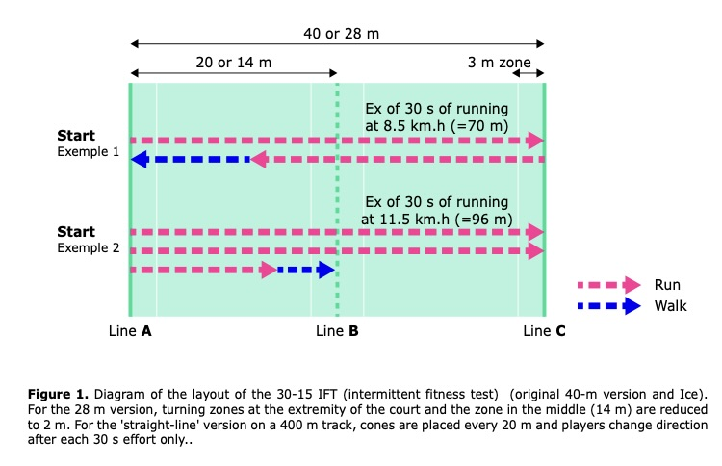
 | 4 | 9.5 | 2.64 | 30 | 15 | 79.2 | 3:00 | 291.7
 | 5 | 10 | 2.78 | 30 | 15 | 83.3 | 3:45 | 375
 | 6 | 10.5 | 2.92 | 30 | 15 | 87.5 | 4:30 | 462.5
 | 7 | 11 | 3.06 | 30 | 15 | 91.7 | 5:15 | 554.2
 | 8 | 11.5 | 3.19 | 30 | 15 | 95.8 | 6:00 | 650
 | 9 | 12 | 3.33 | 30 | 15 | 100 | 6:45 | 750
 | 10 | 12.5 | 3.47 | 30 | 15 | 104.2 | 7:30 | 854.2
 | 11 | 13 | 3.61 | 30 | 15 | 108.3 | 8:15 | 962.5
 | 12 | 13.5 | 3.75 | 30 | 15 | 112.5 | 9:00 | 1075
 | 13 | 14 | 3.89 | 30 | 15 | 116.7 | 9:45 | 1191.7
 | 14 | 14.5 | 4.03 | 30 | 15 | 120.8 | 10:30 | 1312.5
 | 15 | 15 | 4.17 | 30 | 15 | 125 | 11:15 | 1437.5
 | 16 | 15.5 | 4.31 | 30 | 15 | 129.2 | 12:00 | 1566.7
 | 17 | 16 | 4.44 | 30 | 15 | 133.3 | 12:45 | 1700
 | 18 | 16.5 | 4.58 | 30 | 15 | 137.5 | 13:30 | 1837.5
 | 19 | 17 | 4.72 | 30 | 15 | 141.7 | 14:15 | 1979.2
 | 20 | 17.5 | 4.86 | 30 | 15 | 145.8 | 15:00 | 2125
 | 21 | 18 | 5 | 30 | 15 | 150 | 15:45 | 2275
 | 22 | 18.5 | 5.14 | 30 | 15 | 154.2 | 16:30 | 2429.2
 | 23 | 19 | 5.28 | 30 | 15 | 158.3 | 17:15 | 2587.5
 | 24 | 19.5 | 5.42 | 30 | 15 | 162.5 | 18:00 | 2750
 | 25 | 20 | 5.56 | 30 | 15 | 166.7 | 18:45 | 2916.7
 | 26 | 20.5 | 5.69 | 30 | 15 | 170.8 | 19:30 | 3087.5
INSTRUCTIONS Set up the 30-15 IFT App on your phone and check that the volume is adjusted to a level that can be heard by all athletes that are to be tested. Instruct the athletes to perform a light warm-up and some stretching prior to the commencement of the test. Gather the athletes together and explain how the test is performed taking care to highlight the important points. Have all athletes set up in line with point A (0 metre mark). Push the start button on the App and on the first beep (usually after a spoken set of test instructions) the athletes must commence running in a direction toward points B and C. At the next beep the athletes should be at approximately the 20 (or 14) metre mark (point B) and by the following beep they must be within the 3 metre zone at the 40 metre end (ideally they would be at point C [40 or 28 metre mark] exactly). Note that when starting the 28-m test directly at 10 km/h, athletes need to start from line B. The athletes then change direction and run back toward point A. At the next beep sound they should be close to point B and so on. This running pattern is continued until the end of the 30 second running stage (which is indicated by a different beep sound from the App). After each 30 second running stage there is a 15 passive recovery where the athletes walk slowly in the same direction that they have been running (i.e., forward direction) until they reach the next mark (A, B, or C). Spoken instructions are provided informing the athletes were to commence the next 30 second period of running (i.e., A, B or C). It is extremely important that the athletes do not walk backward to the closest marked point (A, B, or C). They must walk in a forward direction to the next marked point in the 15 second passive recovery period. If the athletes are exactly on a marked point when the running stage concludes then they simply stay at that point and wait for the next run stage to begin. Each successive running stage will increase in pace by | 27 | 21 | 5.83 | 30 | 15 | 175 | 20:15 | 3262.5
 | 28 | 21.5 | 5.97 | 30 | 15 | 179.2 | 21:00 | 3441.7
 | 29 | 22 | 6.11 | 30 | 15 | 183.3 | 21:45 | 3625
 | 30 | 22.5 | 6.25 | 30 | 15 | 187.5 | 22:30 | 3812.5

Beep Test Setup
BEEP TEST | Scoring Sheet

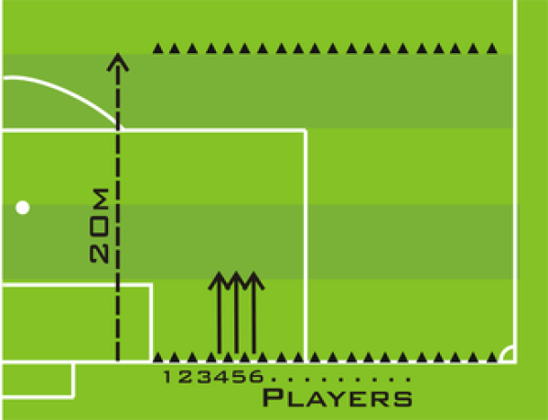
 | Level | Shuttles | Running Speed (km/h) | Time per Shuttle (s) | Total Level Time (s) | Cumulative Time (min:sec) | Distance per Level (m) | Cumulative Distance (m)
 | 1 | 7 | 8 | 9 | 63 | 1:03 | 140 | 140
 | 2 | 8 | 9 | 8 | 64 | 2:07 | 160 | 300
 | 3 | 8 | 9.5 | 7.58 | 60.6 | 3:08 | 160 | 460
 | 4 | 9 | 10 | 7.2 | 64.8 | 4:12 | 180 | 640
 | 5 | 9 | 10.5 | 6.86 | 61.7 | 5:14 | 180 | 820
 | 6 | 10 | 11 | 6.55 | 65.5 | 6:20 | 200 | 1020
 | 7 | 10 | 11.5 | 6.26 | 62.6 | 7:22 | 200 | 1220
 | 8 | 11 | 12 | 6 | 66 | 8:28 | 220 | 1440
 | 9 | 11 | 12.5 | 5.76 | 63.4 | 9:32 | 220 | 1660
 | 10 | 11 | 13 | 5.54 | 60.9 | 10:32 | 220 | 1880
 | 11 | 12 | 13.5 | 5.33 | 64 | 11:36 | 240 | 2120
 | 12 | 12 | 14 | 5.14 | 61.7 | 12:38 | 240 | 2360
 | 13 | 13 | 14.5 | 4.97 | 64.6 | 13:43 | 260 | 2620
 | 14 | 13 | 15 | 4.8 | 62.4 | 14:45 | 260 | 2880
 | 15 | 13 | 15.5 | 4.65 | 60.4 | 15:46 | 260 | 3140
 | 16 | 14 | 16 | 4.5 | 63 | 16:49 | 280 | 3420
 | 17 | 14 | 16.5 | 4.36 | 61.1 | 17:50 | 280 | 3700
 | 18 | 15 | 17 | 4.24 | 63.5 | 18:53 | 300 | 4000
 | 19 | 15 | 17.5 | 4.11 | 61.7 | 19:55 | 300 | 4300
 | 20 | 16 | 18 | 4 | 64 | 20:59 | 320 | 4620
 | 21 | 16 | 18.5 | 3.89 | 62.3 | 22:01 | 320 | 4940

 | *if athlete is on Level 15, and fails at shuttle 9, then their score is 15.8 -> input 15.8 into Dashboard

INSTRUCTIONS The test is comprised of 23 levels, each level lasting approximately one minute. The starting speed is 8.5 km/hr and increases by 0.5 km/hr at each level thereafter. As the individual progresses through the levels, the speed between the beeps decreases giving the individual less time to complete each shuttle, thus increasing the intensity. A single beep indicates the end of each shuttle, whilst three simultaneous beeps indicates the start of the next level. Participants begin the test from the ‘start-line’ When instructed by the audio player, they must run towards the opposite 20m line within the sound of the beep. They must then run back and forth in this same pattern continuously until they reach voluntary exhaustion. If the athlete fails to reach the opposite ‘turn-around’ line before the ‘beep’, the participant is issued with one failed attempt. If the athlete achieves two consecutive fail attempts, they are withdrawn from the test and their score is recorded as final. However, if the individual reaches the line before the second consecutive beep, their failed attempts are reset. Once withdrawn from the test, the individual’s score must be recorded.

